ASSY
 |  |  |  |  |  | $253,004.28 |  |  | DELTA: | $253,004.28
ITEM | Supplier | Supplier code | Image | Description | Qty | IT | ASSY | Unit cost USD | Total Cost USD | CODE | REQ | Total real | Status | PO | Comments
1 | KAIMEX | Custom |  | Work Station | 6 |  | P | $598.00 | $3,588.00
2 | KAIMEX | Custom |  | Assembly Table 2.5m x 0.80m | 3 |  | P | $1,515.00 | $4,545.00
3 | KAIMEX | Custom | 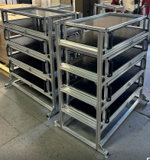 | Material Car kit | 24 |  | P | $1,725.00 | $41,400.00
4 | ECOSA | C6TQ2PC+U80M7E+U6578E |  | PC HP ELITEDESK 8 MINI G1A MINI, R5 16GB 256GB, WIFI CARD + HP 1YR PRIORITYMANAGEMT PC 5K+ S | 6 |  | P | $987.00 | $5,922.00
5 | ECOSA | 210-BHSF |  | Monitor Dell P2424HT LED Touch 23.8 pulgadas, Full HD, HDMI, Bocina Integrada | 6 |  | P | $380.00 | $2,280.00
6 | IDELEC | ZT61046 |  | IMPRESORA ZEBRA ZT610; 4″, 600 DPI, US CORD SERIAL, USB, GIGABITt ETHERNET, BLUETOOTH 4.0, USB HOST, TEAR, COLOR, ZPL | 6 |  | P | $3,277.00 | $19,662.00
7 | IDELEC | 1760 |  | Zebra Cable | 6 |  | P | $16.00 | $96.00
11 | NEPSA | P-QXXD2PT012PQ04 |  | Smart Torque Caster | 1 |  |  | $4,678.00 | $4,678.00
12 | NEPSA | P-QXXD2PT008PQ04 |  | Smart Torque | 5 |  |  | $3,120.00 | $15,600.00
13 | NEPSA | P-QCXD11-FM-6 |  | Smart Station - Rivet Nut Station Caster | 1 |  |  | $15,600.00 | $15,600.00 |  |  |  |  |  | Controlador 11000 camara y tarjetas/pc+monitor+zebra 4600
14 | NEPSA | P-QCXD11-FM-6 |  | Smart station Assy | 1 |  |  | $15,600.00 | $15,600.00
15 | Aerospace | 4996 |  | POP XT1 Riveter | 2 |  | P | $1,669.00 | $3,338.00
16 | MIMOTION | TBD |  | D8mm Hex Socket | 8 |  | P | $18.86 | $150.88
17 | MIMOTION | TBD |  | 12 oz. 12" Wood Handle Hammer | 5 |  | P | $17.88 | $89.40
18 | MIMOTION | TBD |  | T25 Torx Bit | 3 |  |  | $25.00 | $75.00
19 | MIMOTION | TBD |  | T15 Torx Bit | 20 |  |  | $75.00 | $1,500.00
20 | MIMOTION | TBD |  | T25 Security Torx Bit | 20 |  |  | $150.00 | $3,000.00
21 | MIMOTION | Modelo H-2640 |  | Pallet Jack | 1 |  |  | $1,880.00 | $1,880.00
22 | Sommusa | Custom | 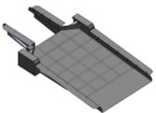 | Packing Ramp | 1 |  |  | $25,000.00 | $25,000.00
23 | TBD | Custom | Low complex Fixture | Low complex Fixture | 4 |  |  | $2,500.00 | $10,000.00
24 | TBD | Custom | Medium complex Fixture | Medium complex Fixture | 5 |  |  | $7,000.00 | $35,000.00
25 | TBD | Custom | High complex Fixture | High complex Fixture | 4 |  |  | $11,000.00 | $44,000.00
 |  |  |  |  |  |  |  | TOTAL ESTIMATED: | $253,004.28 |  | TOTAL: | $-

AUTOMATION
 |  |  |  |  |  | $2,250,000.00 |  |  | DELTA: | $2,250,000.00
ITEM | Supplier | Supplier code | Image | Description | Qty | IT | ASSY | Unit cost USD | Total Cost USD | CODE | REQ | Total real | Status | PO | Comments
1 | KOPER | Automation | 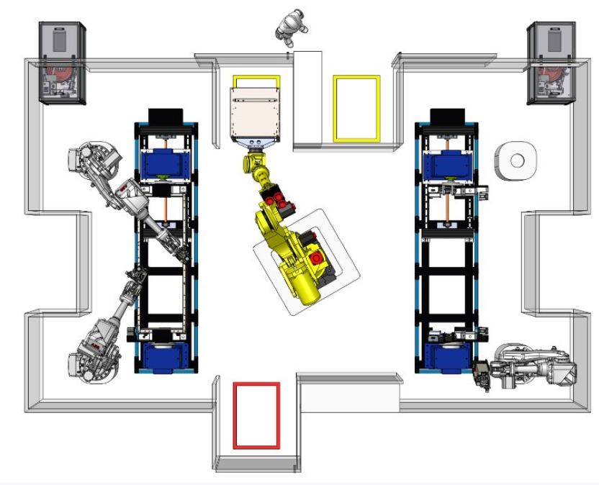 | Smart station Estacion River Nuts | 1 |  |  | $1,200,000.00 | $1,200,000.00
 |  |  |  | Crimping Tool / Cobots | 4
2 | TBD | Automation |  | Automatic Rivet Nut cell | 1 |  |  | $600,000.00 | $600,000.00
3 | TBD | Automation |  | Automatic Panels placement and screwing cell | 1 |  | P | $450,000.00 | $450,000.00
 |  |  |  |  |  |  |  | TOTAL ESTIMATED: | $2,250,000.00 |  | TOTAL: | $-

Insertion
 |  |  |  |  |  | $456,034.07 |  |  | DELTA: | $456,034.07
ITEM | Supplier | Supplier code | Image | Description | Qty | IT | ASSY | Unit cost USD | Total Cost USD | CODE | REQ | Total real | Status | PO | Comments
1 | Kaimex | N/A |  | Material Carts | 12 |  | P | $2,501.34 | $30,016.08
2 | Haeger | H-166-8 |  | Quick Change Lower Tool Holder | 6 |  | P | $963.58 | $5,781.48
3 | Haeger | H-116-8/10L H-132-10L |  | Insertion anvil tools | 45 |  | P | $850.00 | $38,250.00
4 | Sommusa | C6TQ2PC+U80M7E+U6578E |  | INSERTION TABLE | 6 |  | P | $1,200.00 | $7,200.00
5 | ECOSA | 210-BHSF |  | Mini PC | 6 | P |  | $986.00 | $5,916.00
6 | ECOSA | ZT61046 |  | Monitors Touch | 6 | P |  | $460.00 | $2,760.00
7 | Altatec de Occidente | 1760 |  | Printer Zebra | 6 | P |  | $3,405.00 | $20,430.00
8 | IDELEC | N/A |  | Printer cable Zebra | 6 | P |  | $9.00 | $54.00
9 | NEPSA | N/A |  | IR torque inteligente | 5 |  | P | $3,117.60 | $15,588.00
11 | MIMOTION | P-QXXD2PT012PQ04 |  | allen keys | 2 |  | P | $19.26 | $38.51
12 | MIMOTION | P-QCXD11-FM-6 | 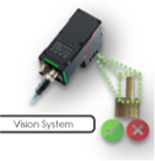 | Lighting fixtures templates Smart bin system Impecttion camera | 6 |  | P | $55,000.00 | $330,000.00
 |  |  |  |  |  |  |  | TOTAL ESTIMATED: | $456,034.07 |  | TOTAL: | $-

Layout
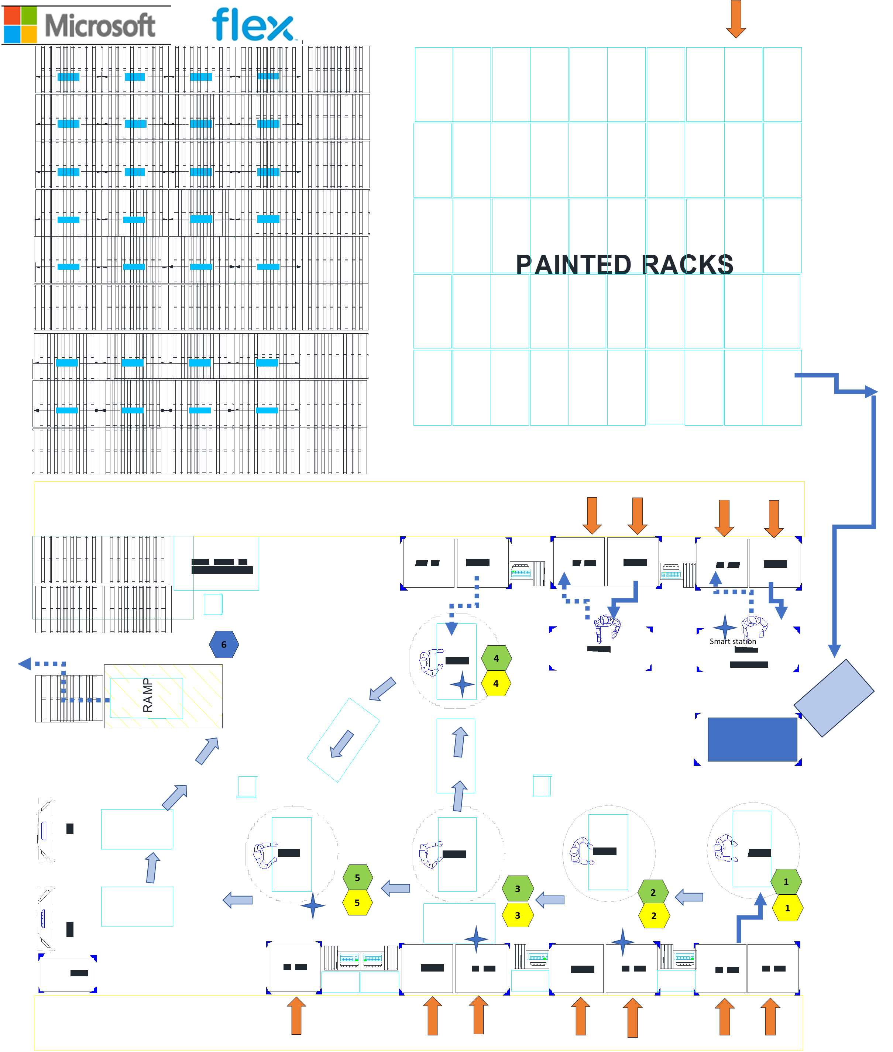
FG 1344682
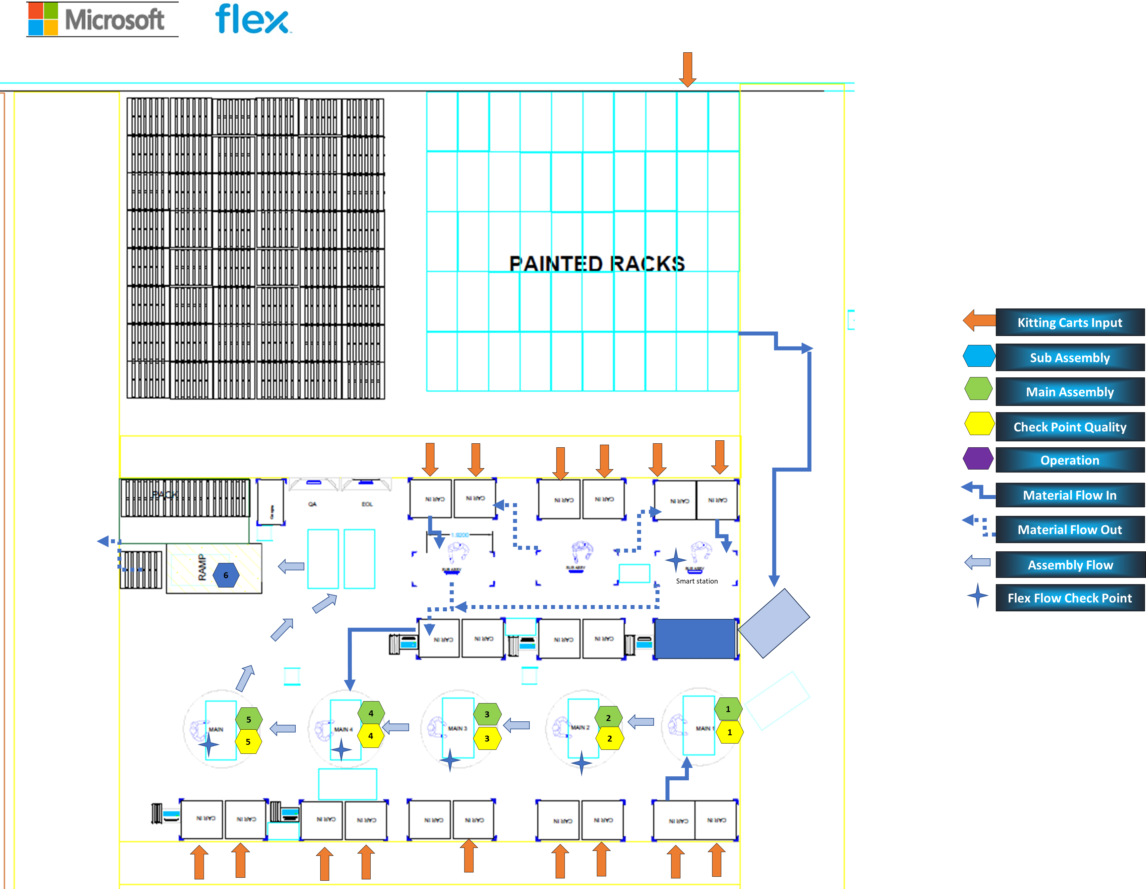

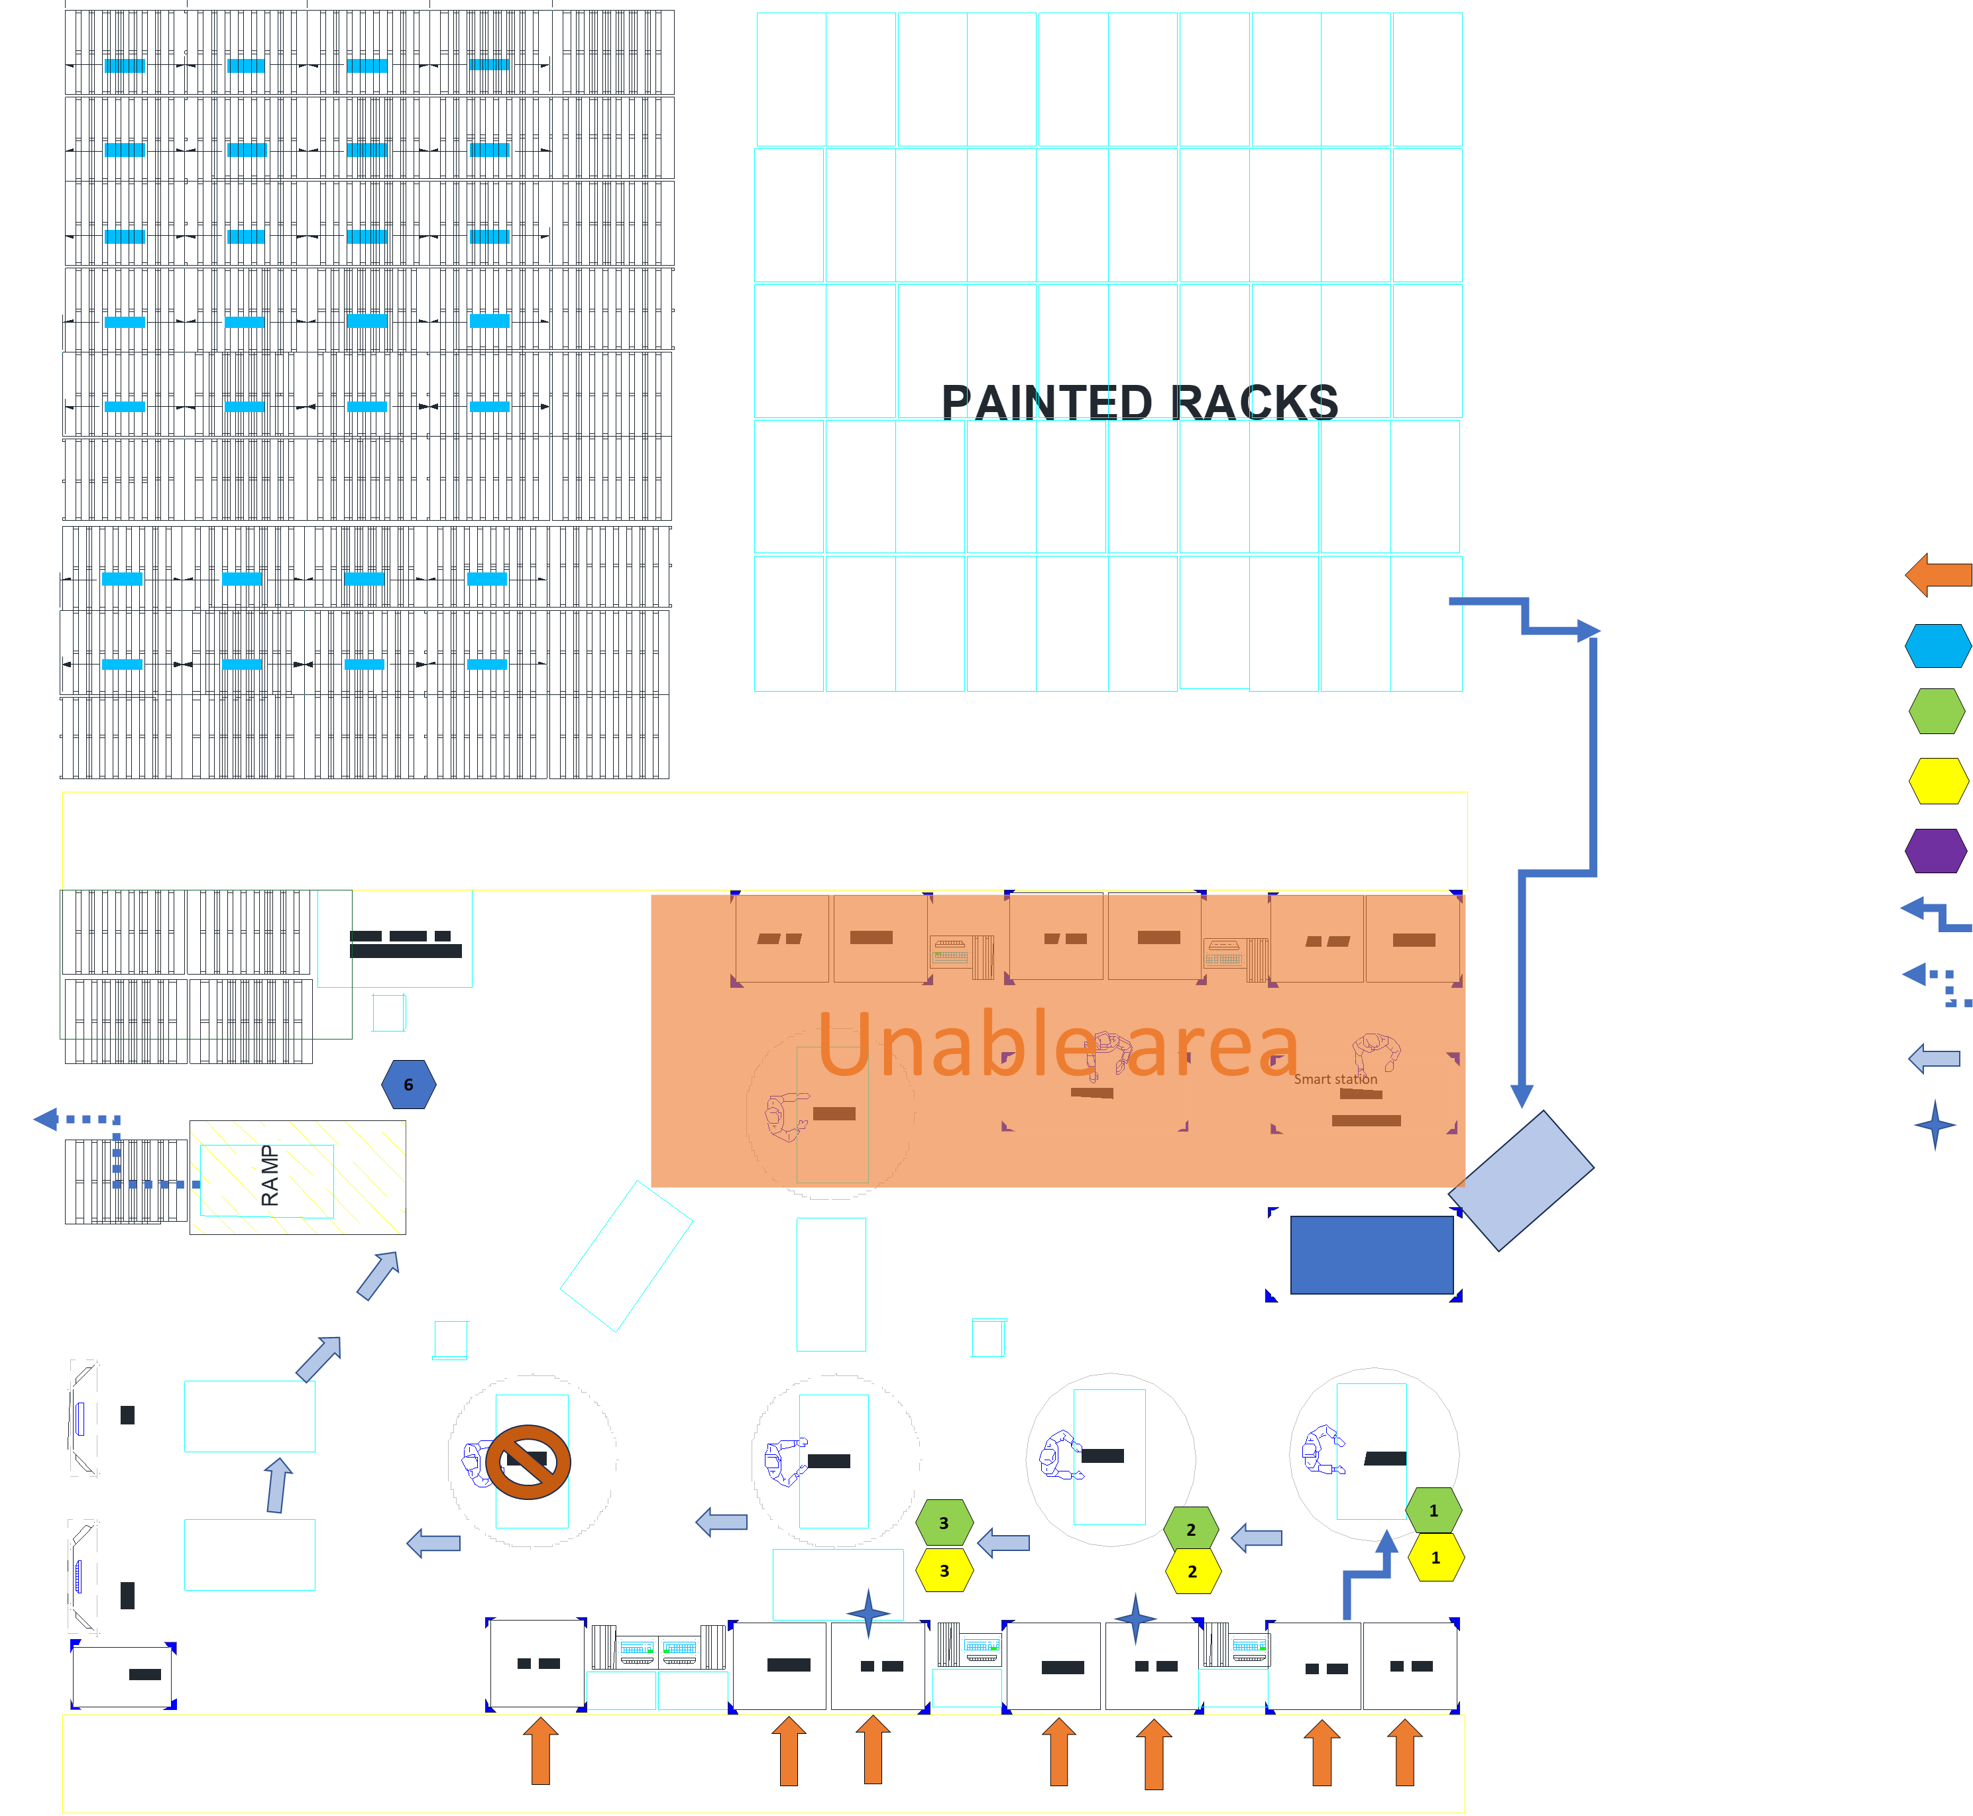
FG 13344475

3 | mesas
32 | Carros+
5 | work station+

